Sheet1
Bug ID | Module Name | Title | Environment | Steps to reproduce | Expected Results | Actual Results | Bug Type | Priority | Severity | Screenshot / Video | Status | Requirement Traceability | Test Case Traceability
Bug_001 | Add Photo | The user can't add filter to the video selected from gallery | Samsung J6+ | 1- Open the Facebook mobile application 2- Login with a valid username and password 3- Open the create post box 4- select a video from the gallery and add filter to it | user can add filter to the video selected from gallery | User Can't add a filter to a video selected from gallery, although the effect icon is shown but not working | Functional | Medium | Medium | 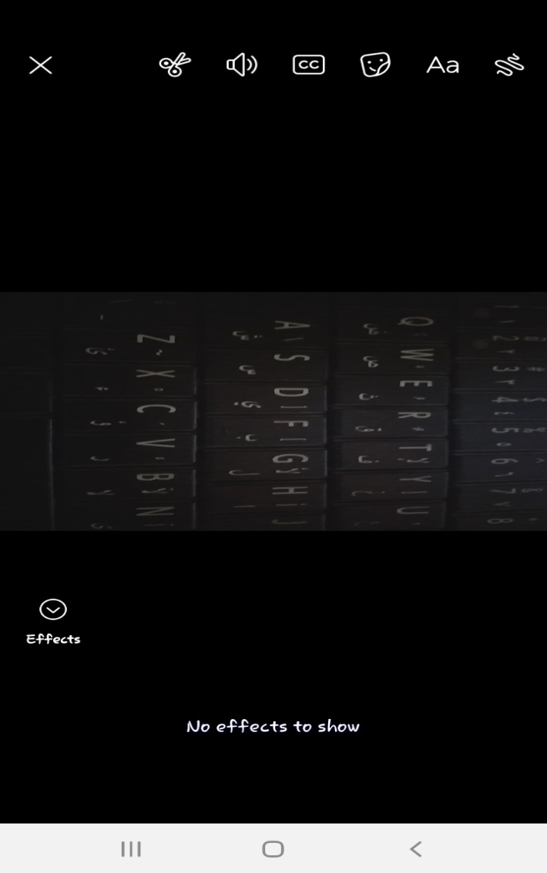 | Opened | FR 1 : Adding Posts | AddPhoto_Positive_TC_028
Bug_002 | Add Photo | the user can't trim the video taken by camera | Samsung J6+ | 1- Open the Facebook mobile application 2- Login with a valid username and password 3- Open the create post box 4- capture a video from the camera and trimr it | user can trim the video taken by camera | user can't trim the video taken by camera | Functional | Medium | Medium | 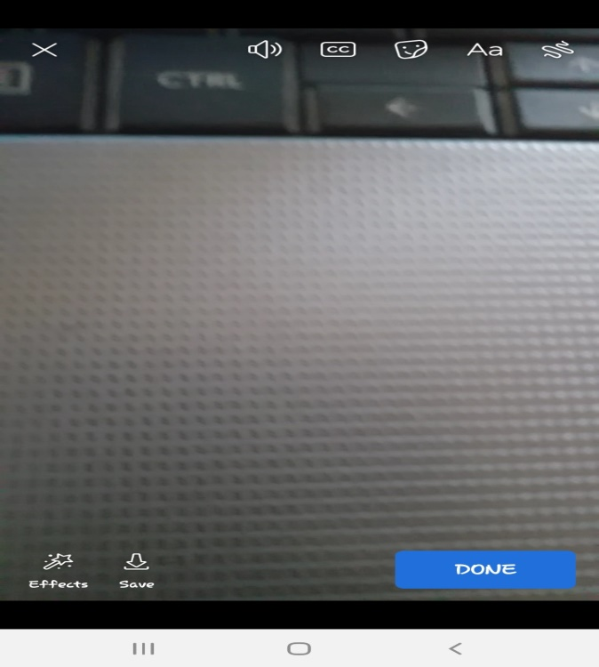 | Opened | FR 1 : Adding Posts | AddPhoto_Positive_TC_031
Bug_003 | Add Photo | the user can't tag one or more person which are not in his following list when his account is public | Samsung J6+ | 1- Open the facebook mobile application 2- Login with a valid username and password 3- Go to home page 4- Select "Post" 5- Try to add a post and tag one or more person which are not in the following list when the account is public | the user can tag one or more person which are not in his following list when his account is public | the user can't tag one or more person which are not in his following list when his account is public | Functional | low | low | 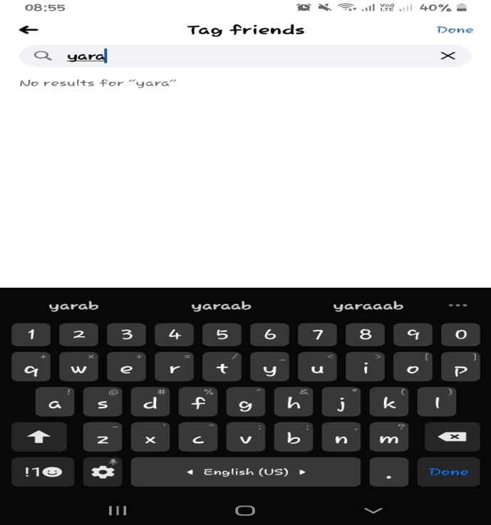 | Opened | FR 1 : Adding Posts | AddPhoto_Positive_TC_036

Bug_004 | Add Stories | the user can't add a story with multiple photos using camera | Samsung J6+ | 1- Open the facebook mobile application 2- Login with a valid username and password 3- Go to home page 4- Press the Add story tap 5- Try to add a story with multipe photos by using the camera | the user can add a story with multiple photos using camera | the user can't add a story with multiple photos using camera | Functional | low | low | 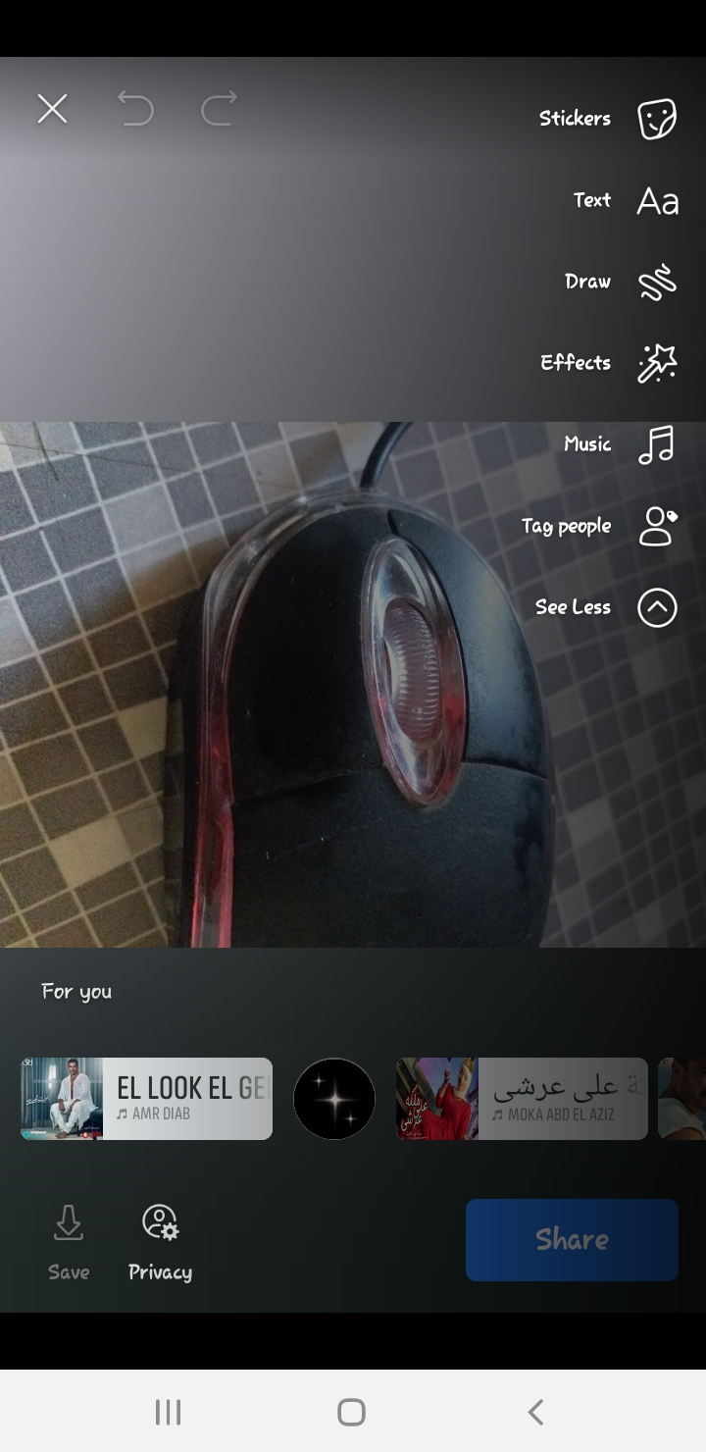 | opened | FR 2 : Adding Stories | AddStories_Positive_TC_005
Bug_005 | Add Stories | the user can't add multiple videos using camera | Samsung J6+ | 1- Open the fcaebook mobile application 2- Login with a valid username and password 3- Go to home page 4- Press the Add story tap 5- Try to add a story with muliple videos by using the camera | th user can add multiple videos using camera | the user can't add multiple videos using camera | Functional | low | low | 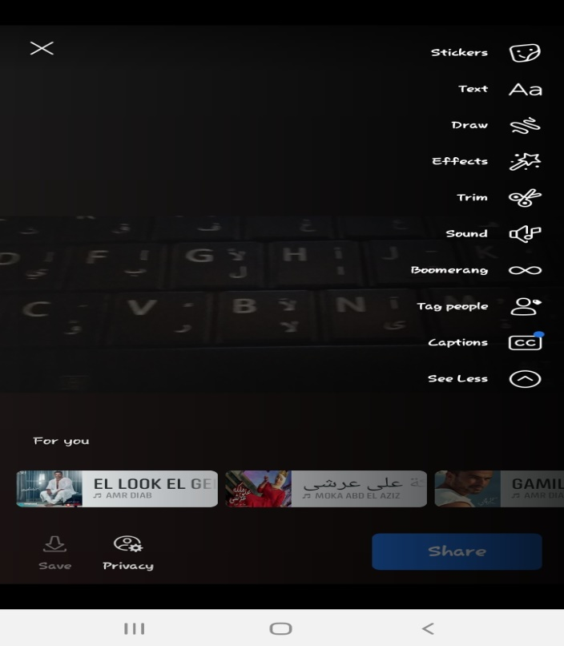 | opened | FR 2 : Adding Stories | AddStories_Positive_TC_006
Bug_006 | Add Stories | the user can't add mixed photos and videos by using camera | Samsung J6+ | 1- Open the fcaebook mobile application 2- Login with a valid username and password 3- Go to home page 4- Press the Add story tap 5- Try to add a stories wih mixed photos and videos by using camera | the user can add mixed photos and videos by using camera | the user can't add mixed photos and videos by using camera | Functional | low | low | 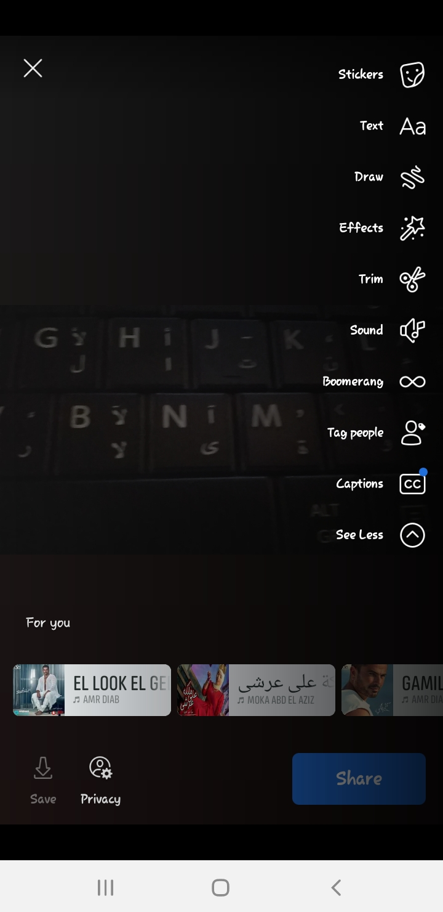 | opened | FR 2 : Adding Stories | AddStories_Positive_TC_009
Bug_007 | Add Stories | the user can't add stories with multiple videos using camera | Samsung J6+ | 1- Open the fcaebook mobile application 2- Login with a valid username and password 3- Go to home page 4- Press the Add story tap 5- Try to add stories with multiple videos using camea | the user can add stories with multiple videos using camera | the user can't add stories with multiple videos using camera | Functional | low | low |  | opened | FR 2 : Adding Stories | AddStories_Positive_TC_011
Bug_008 | Add Stories | the user can't add stories with multiple videos using mixed videos from camera, and gallery | Samsung J6+ | 1- Open the fcaebook mobile application 2- Login with a valid username and password 3- Go to home page 4- Press the Add story tap 5- Try to add stories with multiple videos using mixed videos from camera and gallery | the user can add stories with multiple videos using mixed videos from camera, and gallery | the user can't add stories with multiple videos using mixed videos from camera, and gallery | Functional | low | low |  | opened | FR 2 : Adding Stories | AddStories_Positive_TC_013
Bug_009 | Add Stories | the user can't add stories with multiple photos and videos using a mix from camera, and gallery | Samsung J6+ | 1- Open the fcaebook mobile application 2- Login with a valid username and password 3- Go to home page 4- Press the Add story tap 5- Try to add stories with muliple photos and videos using a mix from camera and gallery | the user can add stories with multiple photos and videos using a mix from camera, and gallery | the user can't add stories with multiple photos and videos using a mix from camera, and gallery | Functional | low | low |  | opened | FR 2 : Adding Stories | AddStories_Positive_TC_014
Bug_010 | Add Stories | can't add a location tap to the text story | Samsung J6+ | 1- Open the fcaebook mobile application 2- Login with a valid username and password 3- Go to home page 4- Press the Add story tap 5- Try to add a text story and add a location on it | the user can add a location tap to the text story | the user can't add a location tap to the text story | Functional | meduim | meduim |  | opened | FR 2 : Adding Stories | AddStories_Positive_TC_022
Bug_011 | Add Stories | can't Hide stories (His stories and his friends’ stories) | Samsung J6+ | 1- Open the fcaebook mobile application 2- Login with a valid username and password 3- Go to home page 4- Press the story taps 5- Try to hide stories (my stories and my friends' stories) | the user can Hide stories (His stories and his friends’ stories) | can't Hide stories (His stories and his friends’ stories) | Functional | meduim | meduim |  | opened | FR 2 : Adding Stories | AddStories_Positive_TC_029
Bug_012 | Add Stories | can't edit his photo story after posting it | Samsung J6+ | 1- Open the fcaebook mobile application 2- Login with a valid username and password 3- Go to home page 4- Press the Add story tap 5- Try to add a photo story and try to edit it after posting | the user can edit his photo story after posting it | can't edit his photo story after posting it | Functional | meduim | meduim |  | opened | FR 2 : Adding Stories | AddStories_Positive_TC_030
Bug_013 | Add Stories | user can't edit his video story after poting it | Samsung J6+ | 1- Open the fcaebook mobile application 2- Login with a valid username and password 3- Go to home page 4- Press the Add story tap 5- Try to add a video story and try to edit it after posting | user can edit his video story after poting it | user can't edit his video story after poting it | Functional | meduim | meduim |  | opened | FR 2 : Adding Stories | AddStories_Positive_TC_031
Bug_014 | Add Stories | user can't edit his text story after poting it | Samsung J6+ | 1- Open the fcaebook mobile application 2- Login with a valid username and password 3- Go to home page 4- Press the Add story tap 5- Try to add a text story and try to edit it after posting | user can edit his text story after poting it | user can't edit his text story after poting it | Functional | meduim | meduim |  | opened | FR 2 : Adding Stories | AddStories_Positive_TC_032
Bug_015 | Add Stories | user can't add filter to the photo story taken by camera | Samsung J6+ | 1- Open the fcaebook mobile application 2- Login with a valid username and password 3- Go to home page 4- Press the Add story tap 5- Try to capture a photo story using phone camera and try to add filter on it | user can add filter to the photo story taken by camera | user can't add filter to the photo story taken by camera | Functional | meduim | meduim |  | opened | FR 2 : Adding Stories | AddStories_Positive_TC_036
Bug_016 | Add Stories | user can't add filter to the photo story selected from gallery | Samsung J6+ | 1- Open the fcaebook mobile application 2- Login with a valid username and password 3- Go to home page 4- Press the Add story tap 5- Try to select a photo story using phone gallery and try to add filter on it | user can add filter to the photo story selected from gallery | user can't add filter to the photo story selected from gallery | Functional | meduim | meduim |  | opened | FR 2 : Adding Stories | AddStories_Positive_TC_037
Bug_017 | Add Stories | user can't add filter to the video story taken by camera | Samsung J6+ | 1- Open the fcaebook mobile application 2- Login with a valid username and password 3- Go to home page 4- Press the Add story tap 5- Try to add a video story using phone camera and try to add filter on it | user can add filter to the video story taken by camera | user can't add filter to the video story taken by camera | Functional | meduim | meduim |  | opened | FR 2 : Adding Stories | AddStories_Positive_TC_038
Bug_018 | Add Stories | user can't add filter to the video story selected from gallery | Samsung J6+ | 1- Open the fcaebook mobile application 2- Login with a valid username and password 3- Go to home page 4- Press the Add story tap 5- Try to add a video story using phone gallery and try to add filter on it | user can add filter to the video story selected from gallery | user can't add filter to the video story selected from gallery | Functional | meduim | meduim |  | opened | FR 2 : Adding Stories | AddStories_Positive_TC_039
Bug_019 | Add Stories | user can't add background color to a photo story | Samsung J6+ | 1- Open the fcaebook mobile application 2- Login with a valid username and password 3- Go to home page 4- Press the Add story tap 5- Try to add a photo and change the story background color | user can add background color to a photo story | user can't add background color to a photo story | Functional | meduim | meduim |  | opened | FR 2 : Adding Stories | AddStories_Positive_TC_040
Bug_020 | Add Stories | user can't add background color to a video story | Samsung J6+ | 1- Open the fcaebook mobile application 2- Login with a valid username and password 3- Go to home page 4- Press the Add story tap 5- Try to add a video and change the story background color | user can add background color to a video story | user can't add background color to a video story | Functional | meduim | meduim |  | opened | FR 2 : Adding Stories | AddStories_Positive_TC_041
Bug_021 | Add Stories | user can't edit the photo story taken by camera | Samsung J6+ | 1- Open the fcaebook mobile application 2- Login with a valid username and password 3- Go to home page 4- Press the Add story tap 5- Try to add a photo story taken by phone camera and try to edit it | user can edit the photo story taken by camera | user can't edit the photo story taken by camera | Functional | meduim | meduim |  | opened | FR 2 : Adding Stories | AddStories_Positive_TC_043
Bug_022 | Add Stories | user can't edit the photo story selected from gallery | Samsung J6+ | 1- Open the fcaebook mobile application 2- Login with a valid username and password 3- Go to home page 4- Press the Add story tap 5- Try to add a photo story selected from phone gallery and try to edit it | user can edit the photo story selected from gallery | user can't edit the photo story selected from gallery | Functional | meduim | meduim |  | opened | FR 2 : Adding Stories | AddStories_Positive_TC_044
Bug_023 | Add Stories | the user can't trim the video taken by camera | Samsung J6+ | 1- Open the fcaebook mobile application 2- Login with a valid username and password 3- Go to home page 4- Press the Add story tap 5- Try to add a video taken by camera and try to trim it | the user can trim the video taken by camera | the user can't trim the video taken by camera | Functional | meduim | meduim |  | opened | FR 2 : Adding Stories | AddStories_Positive_TC_045
Bug_024 | Add Stories | User can't add a post through his profile page or home page with the same behaviour | Samsung J6+ | 1- Open the fcaebook mobile application 2- Login with a valid username and password 3- Go to profile page 4- Press the Add story tap 5- Try to add a photo/video from gallery or from camera or add a text 7- Go to Home page and repeat the above steps | User should be able to add a post through his profile page or home page with the same behaviour | User can't add a post through his profile page or home page with the same behaviour | Functional | meduim | meduim |  | opened | FR 2 : Adding Stories | AddStories_Positive_TC_046
Bug_025 | Add Stories | user can't share the story to Twitter while adding it (Photo / Video / Mix) | Samsung J6+ | 1- Open the fcaebook mobile application 2- Login with a valid username and password 3- Go to home page 4- Press the Add story tap and add a story 5- Try to share the story to twitter while adding it(photo / video / Mix) | user can share the story to Twitter while adding it (Photo / Video / Mix) | user can't share the story to Twitter while adding it (Photo / Video / Mix) | Functional | low | low |  | opened | FR 2 : Adding Stories | AddStories_Positive_TC_048

Bug_026 | Messaging | the user can't select and delete muliple chats | Samsung J6+ | 1- Open the Facebook mobile application 2- Login with a valid username and password 3- Open your messenger from the top menu 4- try to Check the user can select and delete muliple chats | the user can select and delete muliple chats | the user can't select and delete muliple chats | Functional | low | low | 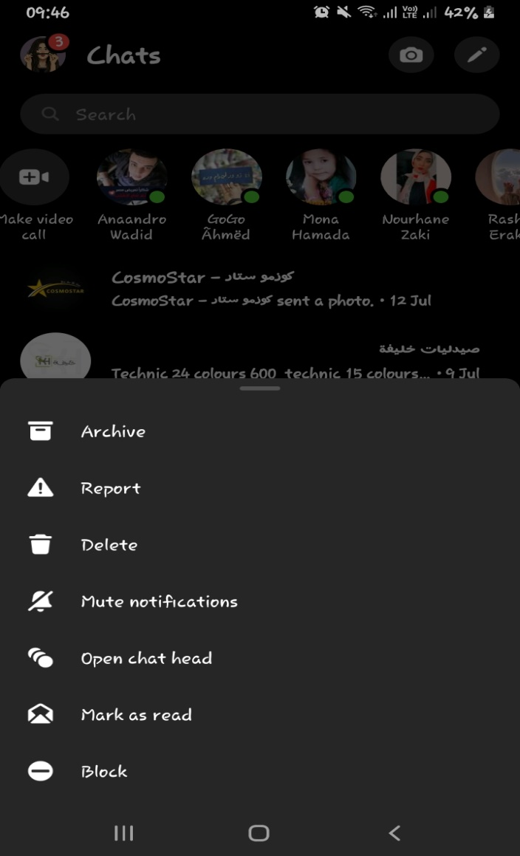 | Opened | FR 3 :Messaging | Facebook_Mesaging_ Positive_TC_034
Bug_027 | Messaging | the user can't select and archive muliple chats | Samsung J6+ | 1- Open the Facebook mobile application 2- Login with a valid username and password 3- Open your messenger from the top menu 4- try to Check the user can select and archive muliple chats | the user can select and archive muliple chats | the user can't select and archive muliple chats | Functional | low | low |  | Opened | FR 3 :Messaging | Facebook_Mesaging_ Positive_TC_035
Bug_028 | Messaging | the user can't select and mute muliple chats | Samsung J6+ | 1- Open the Facebook mobile application 2- Login with a valid username and password 3- Open your messenger from the top menu 4- try to Check the user can select and mute muliple chats | the user can select and mute muliple chats | the user can't select and mute muliple chats | Functional | meduim | meduim |  | Opened | FR 3 :Messaging | Facebook_Mesaging_ Positive_TC_037
Bug_029 | Messaging | the user can't search a message in a chat | Samsung J6+ | 1- Open the Facebook mobile application 2- Login with a valid username and password 3- Open your messenger from the top menu 4- try to Check the user can search a message in a chat | the user can search a message in a chat | the user can't search a message in a chat | Functional | meduim | meduim | 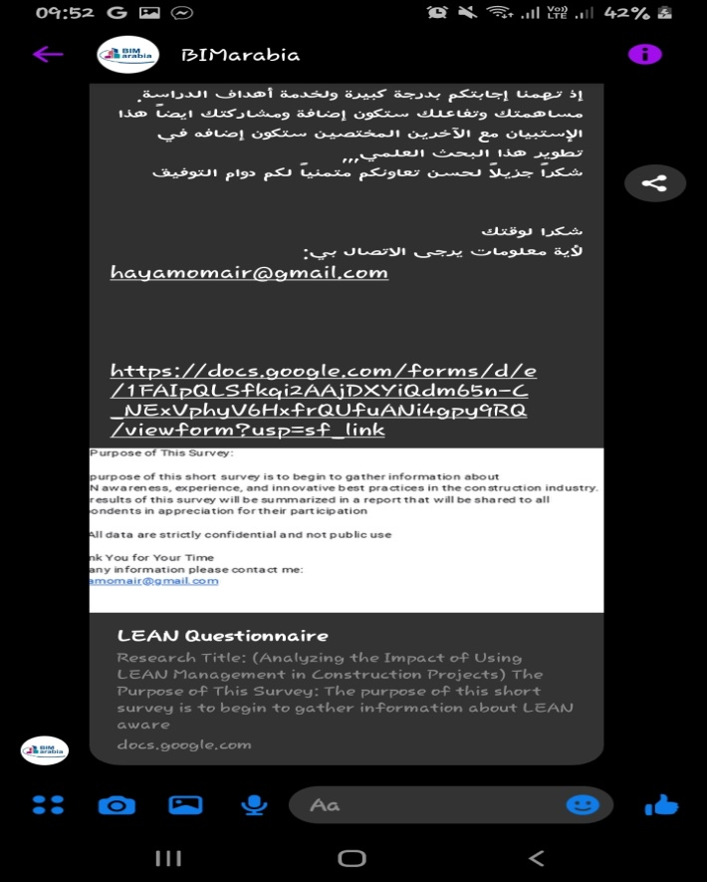 | Opened | FR 3 :Messaging | Facebook_Mesaging_ Positive_TC_043
Bug_030 | Messaging | the user can't search a message in a group chat | Samsung J6+ | 1- Open the Facebook mobile application 2- Login with a valid username and password 3- Open your messenger from the top menu 4- try to Check the user can search a message in a group chat | the user can search a message in a group chat | the user can't search a message in a group chat | Functional | meduim | meduim |  | Opened | FR 3 :Messaging | Facebook_Mesaging_ Positive_TC_044

